CA
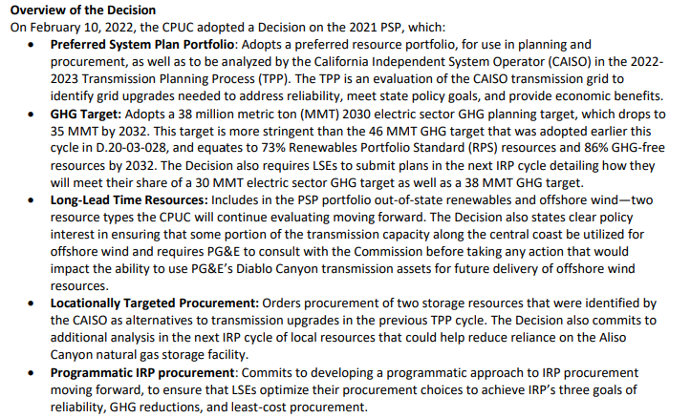
This decision also adopts a Preferred System Plan (PSP) portfolio that meets a statewide 38 million metric ton (MMT) greenhouse gas (GHG) target for the electric sector in 2030 and 35 MMT for 2032
https://docs.cpuc.ca.gov/PublishedDocs/Published/G000/M451/K412/451412947.PDF
2021 PSP RESOLVE analysis

RPS Summary

 | Unit | 2015 | 2016 | 2017 | 2018 | 2019 | 2020 | 2021 | 2022 | 2023 | 2024 | 2025 | 2026 | 2027 | 2028 | 2029 | 2030 | 2031 | 2032 | 2033 | 2034 | 2035 | 2036 | 2037 | 2038 | 2039 | 2040 | 2041 | 2042 | 2043 | 2044 | 2045
RPS Target | % of Retail Sales | 0% | 0% | 0% | 0% | 0% | 0% | 0% | 39% | 41% | 44% | 47% | 49% | 0% | 55% | 0% | 60% | 0% | 62% | 0% | 0% | 68% | 0% | 0% | 0% | 0% | 78% | 0% | 0% | 0% | 0% | 87%
RPS-Eligible Generation (w/o banked RECs) | % of Retail Sales | 0% | 0% | 0% | 0% | 0% | 0% | 0% | 47% | 52% | 54% | 59% | 60% | 0% | 63% | 0% | 69% | 0% | 73% | 73% | 0% | 77% | 0% | 0% | 0% | 0% | 85% | 0% | 0% | 0% | 0% | 97%
Banked RECs | % of Retail Sales | 0% | 0% | 0% | 0% | 0% | 0% | 0% | 0% | 0% | 3% | 5% | 8% | 0% | 12% | 0% | 0% | 0% | 0% | 0% | 0% | 0% | 0% | 0% | 0% | 0% | 0% | 0% | 0% | 0% | 0% | 0%
Effective RPS (with banked RECs) | % of Retail Sales | 0% | 0% | 0% | 0% | 0% | 0% | 0% | 47% | 52% | 56% | 65% | 68% | 0% | 76% | 0% | 69% | 0% | 73% | 0% | 0% | 77% | 0% | 0% | 0% | 0% | 85% | 0% | 0% | 0% | 0% | 97%
Renewable Curtailment (scheduled and subhourly) | % of RPS Gen. | 0% | 0% | 0% | 0% | 0% | 0% | 0% | 2% | 3% | 1% | 2% | 2% | 0% | 2% | 0% | 4% | 0% | 5% | 0% | 0% | 6% | 0% | 0% | 0% | 0% | 7% | 0% | 0% | 0% | 0% | 14%
Renewable Curtailment incl. Storage Losses | % of RPS Gen. | 0% | 0% | 0% | 0% | 0% | 0% | 0% | 4% | 5% | 5% | 6% | 6% | 0% | 6% | 0% | 8% | 0% | 9% | 0% | 0% | 11% | 0% | 0% | 0% | 0% | 13% | 0% | 0% | 0% | 0% | 21%
Marginal RPS Cost | $/MWh | $- | $- | $- | $- | $- | $- | $- | $- | $- | $- | $- | $- | $- | $- | $- | $- | $- | $- | $- | $- | $- | $- | $- | $- | $- | $- | $- | $- | $- | $- | $-
RPS Renewables excl. Pipeline Biogas | GWh | - | - | - | - | - | - | - | 89,509 | 100,354 | 105,897 | 118,141 | 119,581 | - | 128,101 | - | 140,189 | - | 153,269 | - | - | 177,661 | - | - | - | - | 221,300 | - | - | - | - | 279,227
Pipeline Biogas Generation | GWh | - | - | - | - | - | - | - | - | - | - | - | - | - | - | - | - | - | - | - | - | - | - | - | - | - | - | - | - | - | - | -
Nonmodeled RPS Renewables | GWh | - | - | - | - | - | - | - | 2,848 | 2,848 | 2,848 | 2,848 | 2,848 | - | 2,848 | - | 2,848 | - | 2,848 | - | - | 2,544 | - | - | - | - | 1,308 | - | - | - | - | 1,308
SB100% | % of Retail Sales | 0% | 0% | 0% | 0% | 0% | 0% | 0% | 72% | 76% | 73% | 74% | 74% | 0% | 78% | 0% | 83% | 0% | 86% | 0% | 0% | 90% | 0% | 0% | 0% | 0% | 96% | 0% | 0% | 0% | 0% | 106%

Greenhouse Gas Summary

 | Unit | 2015 | 2016 | 2017 | 2018 | 2019 | 2020 | 2021 | 2022 | 2023 | 2024 | 2025 | 2026 | 2027 | 2028 | 2029 | 2030 | 2031 | 2032 | 2033 | 2034 | 2035 | 2036 | 2037 | 2038 | 2039 | 2040 | 2041 | 2042 | 2043 | 2044 | 2045
GHG Emissions Target | MMtCO2/Yr | - | - | - | - | - | - | - | 47 | 45 | 43 | 41 | 39 | - | 35 | - | 31 | - | 28.6 | - | - | 24.8 | - | - | - | - | 18.5 | - | - | - | - | 12.3
CAISO BTM CHP Emissions | MMtCO2/Yr | - | - | - | - | - | - | - | 5 | 5 | 5 | 5 | 5 | - | 5 | - | 5 | - | 3.7 | - | - | 2.3 | - | - | - | - | - | - | - | - | - | -
GHG Emissions Target, net of BTM CHP | MMtCO2/Yr | - | - | - | - | - | - | - | 42 | 40 | 38 | 36 | 34 | - | 30 | - | 26 | - | 24.9 | - | - | 22.5 | - | - | - | - | 18.5 | - | - | - | - | 12.3
CAISO Generator Emissions | MMtCO2/Yr | - | - | - | - | - | - | - | 24 | 21 | 22 | 21 | 21 | - | 19 | - | 16 | - | 14.8 | - | - | 14.0 | - | - | - | - | 12.0 | - | - | - | - | 10.7
Import Emissions | MMtCO2/Yr | - | - | - | - | - | - | - | 8 | 9 | 9 | 10 | 10 | - | 10 | - | 11 | - | 10.1 | - | - | 8.5 | - | - | - | - | 6.6 | - | - | - | - | 1.6
Total CAISO Emissions | MMtCO2/Yr | - | - | - | - | - | - | - | 37 | 35 | 37 | 36 | 36 | - | 34 | - | 31.1 | - | 28.6 | - | - | 24.8 | - | - | - | - | 18.5 | - | - | - | - | 12.3
Marginal GHG Cost | $/tCO2 | $- | $- | $- | $- | $- | $- | $- | $- | $- | $- | $- | $- | $- | $- | $- | $38 | $- | $87 | $- | $- | $94 | $- | $- | $- | $- | $101 | $- | $- | $- | $- | $269
CARB Floor Carbon Price | $/tCO2 | $- | $- | $- | $- | $- | $17 | $18 | $18.55 | $19.52 | $20.53 | $21.60 | $22.74 | $23.95 | $25.22 | $26.56 | $27.96 | $29.44 | $31.00 | $32.64 | $34.36 | $36.18 | $38.10 | $40.11 | $42.24 | $44.47 | $46.83 | $49.30 | $51.91 | $54.66 | $57.55 | $60.60
Total GHG Abatement Cost | $/tCO2 | $- | $- | $- | $- | $- | $17 | $18 | $19 | $20 | $21 | $22 | $23 | $24 | $25 | $27 | $66 | $29 | $118 | $33 | $34 | $130 | $38 | $40 | $42 | $44 | $147 | $49 | $52 | $55 | $58 | $330

Sheet1
2032 | 2035 | 2040
0.6900 | 0.7729 | 0.8509

 | Unit |  | 2022 | 2023 | 2024 | 2025 | 2026 | 2027 | 2028 | 2029 | 2030 | 2031 | 2032 | 2033 | 2034 | 2035 | 2036 | 2037 | 2038 | 2039 | 2040 | 2041 | 2042 | 2043 | 2044 | 2045
RPS-Eligible Generation (w/o banked RECs) | % of Retail Sales | RPS | 47% | 52% | 54% | 59% | 60% | 62% | 63% | 66% | 69% | 71% | 73% | 73% | 75% | 77% | 79% | 80% | 82% | 84% | 85% | 87% | 90% | 92% | 95% | 97%

